UBE3C 3 trial summary
a1c with F3.UBE3C
a1B with F3.UBE3C
 |  |  |  |  |  | trial 3 |  | surface | total a | total b
 |  |  |  |  |  |  | a1b-BBS-YFp_b2a-mch+f3_ube3c_020.fcs | 0.35806697108 | 0.97658536585 | 0.38988640528
 |  |  |  |  |  |  | a1b-BBS-YFp_b3-mch+F3_UBE3C_022.fcs | 0.29493801653 | 1.5492170022 | 1.0683940946
 |  |  |  |  |  |  | a1c-BBS-YFp_b2a-mch+f3_ube3c_007.fcs | 0.77033181522 | 0.83655274889 | 0.35891647856 |  | Mean |  |  |  | SD
 |  |  |  |  |  |  | a1c-BBS-YFp_b3-mch+F3_UBE3C_009.fcs | 0.94403892944 | 1.055638816 | 0.46190638879 |  | α1C |  |  |  | α1C
 |  |  |  |  |  |  |  |  |  |  |  | total β | total α | surface |  | total β | total α | surface
 |  |  |  |  |  | trial 2 | a1b-bbs-yfp+b2A-mCh+a2d ires cfp_F3_ube3c_013.fcs | 0.21512151215 | 1.3236151603 | 0.52409046214 | β3 | 0.46130021304 | 1.364438862 | 0.91977432632 | β3 | 0.019580648635 | 0.28249572178 | 0.034215873292
 |  |  |  |  |  |  | a1B-BBS-YFP+B3-MCH_F3_UBE3C_009.fcs | 0.41771871539 | 1.3558106169 | 1.3392370572 | β2a | 0.3878580436 | 0.90901477841 | 0.80742719913 | β2a | 0.021039663816 | 0.053314159011 | 0.092733235012
 |  |  |  |  |  |  | bbs-a1c-yfp+b2a-mch_f3_ube3c_010.fcs | 0.9349112426 | 0.9632885212 | 0.40831134565
 |  |  |  |  |  |  | a1c-BBS-YFP+B3-MCH_F3_UBE3C_009.fcs | 0.94389820706 | 1.2993220339 | 0.4849726776 |  | α1B |  |  |  | α1B
 |  |  |  |  |  |  |  |  |  |  |  | total β | total α | surface |  | total β | total α | surface
 |  |  |  |  |  |  | a1b-bbs-yfp+b2a-mch+a2d-cfp-ires_F3_UBE3C_010.fcs | 0.35423665547 | 0.8007290401 | 0.40581162325 | β3 | 1.1356138581 | 1.41350383 | 0.35112617596 | β3 | 0.1467274129 | 0.096321832002 | 0.050662039344
 |  |  |  |  |  |  | a1B-BBS-YFP+B3-MCH_F3_UBE3C_020.fcs | 0.34072179596 | 1.335483871 | 0.99921042242 | β2a | 0.43992949689 | 1.0336431888 | 0.3091417129 | β2a | 0.059864871148 | 0.21724666481 | 0.066500708974
 |  |  |  |  |  | trial 1 | a1c-BBS-YFP+B2A-MCH_F3_UBE3C_009.fcs | 0.71703853955 | 0.92720306513 | 0.39634630659
 |  |  |  |  |  |  | a1c-BBS-YFP+B3-MCH_F3_UBE3C_009.fcs | 0.87138584247 | 1.7383557362 | 0.43702157272

 |  |  |  |  |  |  | a1c-BBS-YFP+B2b-MCH_F3_UBE3C_020.fcs | 1.0110719678 | 1.2979314603 | 0.4526129318

 |  |  |  | a1B

 |  | surface vs total a |  |  |  |  | total b vs nanobody

 | F3 |  | F3 UBE3C |  | F3 |  |  |  |  | F3 UBE3C
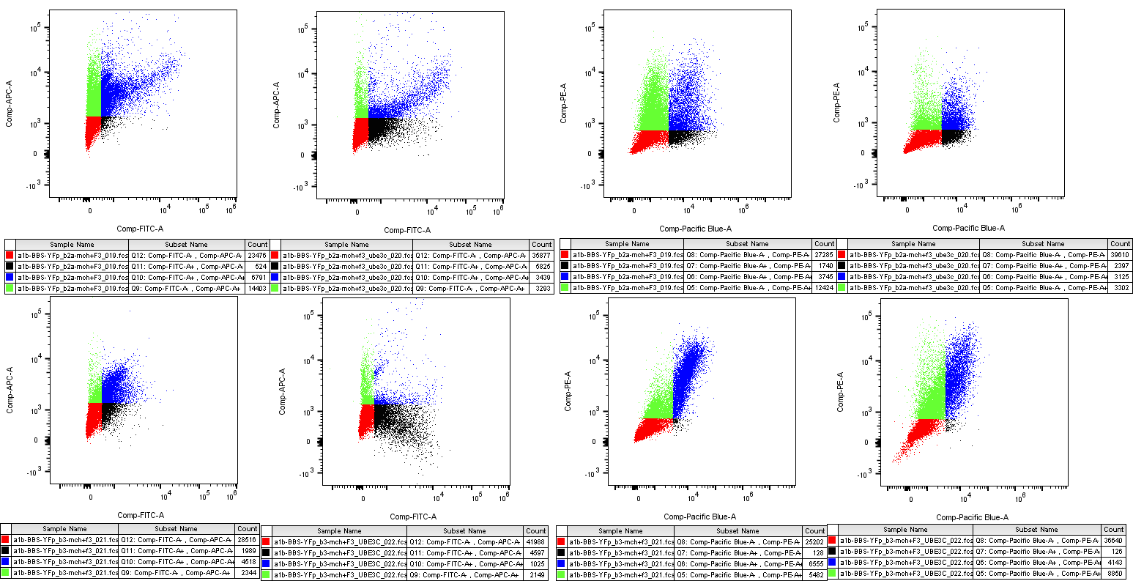

B2A

B3

 |  |  |  | a1C
 |  | surface vs total a |  |  |  |  | total b vs nanobody

 | F3 |  | F3 UBE3C |  | F3 |  |  |  |  | F3 UBE3C
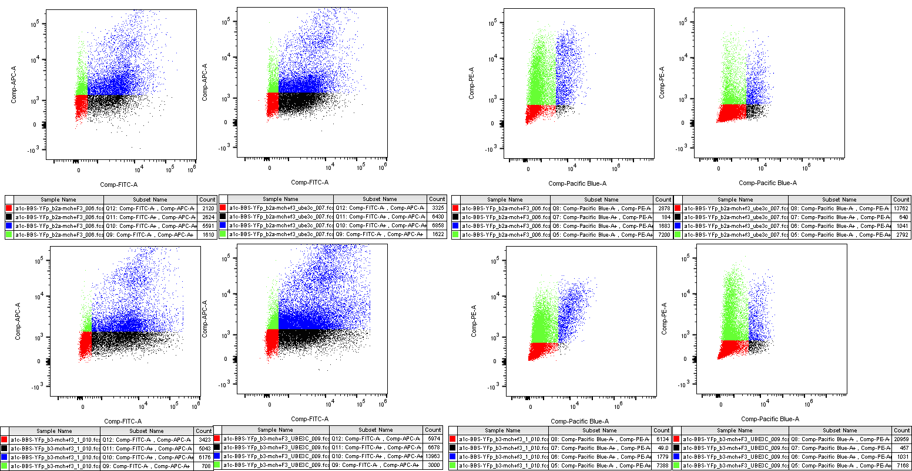

B2A

B3

